Hiearchy View
CLASS: WEATHER STATION
land or sea, with instruments and equipment for measuring atmospheric conditions to provide information for weather forecasts and to study the weather and climate. |  | 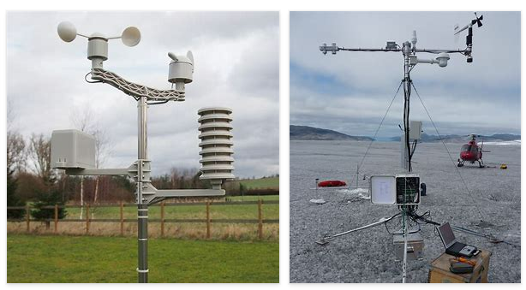
REMOVE | N

PROBLEM_DESC | CAUSE_DESC | REMEDY_DESC
ALARM/SENSOR
BROKEN/DAMAGED
OTHER PROBLEM
OVERHEATING
POWER-ELEC
STOPPED/SLOWED/POOR OPS
TEMP-CTRL
VIBRATION
Grand Total

